Coversheet
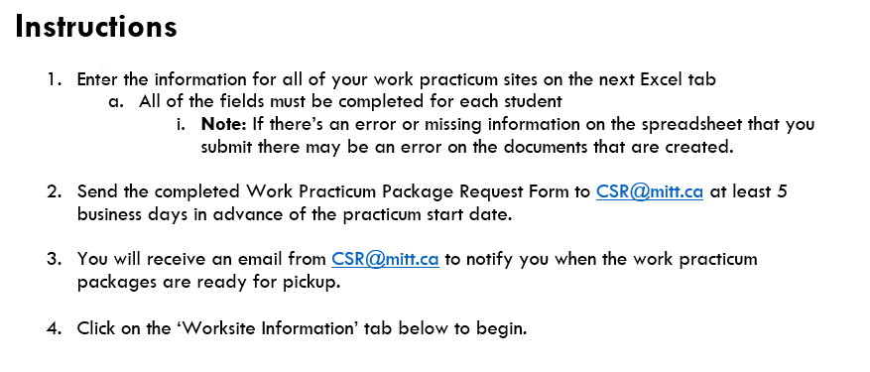
Work Practicum Package Request Form - 2019.05.03

Last Modified: 2019.05.03

© 2017-2019 Manitoba Institute of Trades and Technology

Questions or Suggestions? Please email them to: | matthew.busilla@mitt.ca

Password hint: What is the name of the multi-coloured object that you bought at a garage sale in the late 90s? (capitalize the first letter)

